Resumen
Testeo

Casos | Numero de request | Avg gen time (ms) | Desviation (ms) | Min gen time (ms) | Max gen time(ms) | Errors | Throughput Generado Avg req/sec | Throughput Pedido (req/sec)
Simple Concurrent | 3000 | 624.055 | 350.60789872 | 100 | 4149 | 0 | 29.3/sec | -
Gaussian Concurrent | 3000 | 365.18233333 | 172.11801887 | 61.0 | 1352.0 | 0 | 26.7/sec | -
Throughtput 5 | 3000 | 86.825 | 39.746534964 | 57.0 | 1089 | 0 | 5.0/sec | 5.0 /sec | 0
Throughtput 8 | 3000 | 89.207666667 | 35.361540425 | 57 | 425.0 | 0 | 8.0/sec | 8.0 / sec | 0
Throughtput 10 | 3000 | 110.23866667 | 55.060097816 | 57 | 872.0 | 0 | 10.0/sec | 10.0 /sec | 0
Throughtput 15 | 3000 | 117.59433333 | 115.08139048 | 58 | 3303.0 | 0 | 14.6/sec | 15.0 /sec | 0.1
Throughtput 20 | 3000 | 132.354 | 114.10434121 | 56 | 3101 | 0 | 19.3/sec | 20.0 /sec | 0.2
Throughtput 25 | 3000 | 171.805 | 136.74167242 | 57 | 3141 | 0 | 24.3/sec | 25.0 /sec | 0.2
Throughtput 30 | 3000 | 365.591 | 210.36135668 | 62.0 | 3175.0 | 0 | 28.6/sec | 30.0 /sec | 0.5
Throughtput 35 | 3000 | 570 | 267.15930257 | 86.0 | 4016.0 | 0 | 27.3/sec | 35.0 /sec | 1.4
Throughtput 40 | 3000 | 595.546 | 303.84287039 | 94.0 | 2256.0 | 0 | 27.1/sec | 40.0 /sec | 2.7
Throughtput 45 | 0 | 0 | 0 | 0 | 0 | 0 | 0 | 45.0 /sec | 7.3

Simple Concurrent
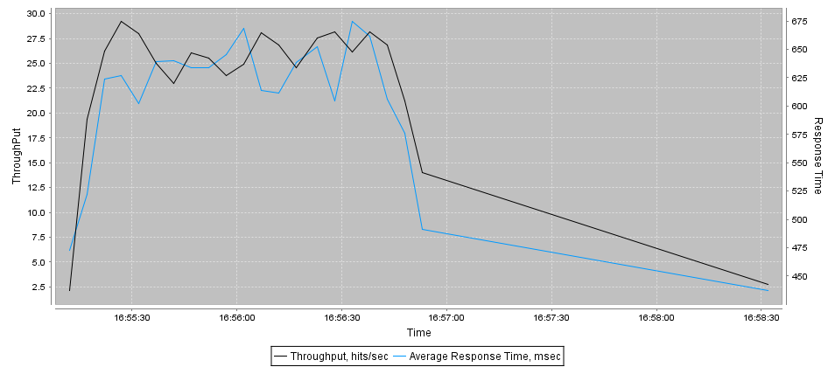
Url | Samples | Average | Desviation | Min | Max | Errors | Throughput req/sec | KB/Sec
ip-0AD076EF | 3000 | 624 | 351 | 100 | 4149 | 0 | 29.3/sec | 2687.78

Gaussian Concurrent
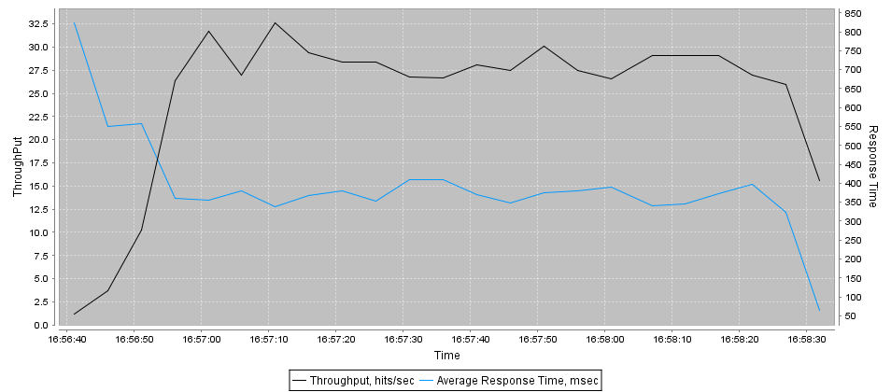
Url | Samples | Average | Desviation | Min | Max | Errors | Throughput req/sec | KB/Sec
ip-0AD076EF | 3000 | 365 | 172 | 61.0 | 1352.0 | 0 | 26.7/sec | 2447.68

Throughtput 5
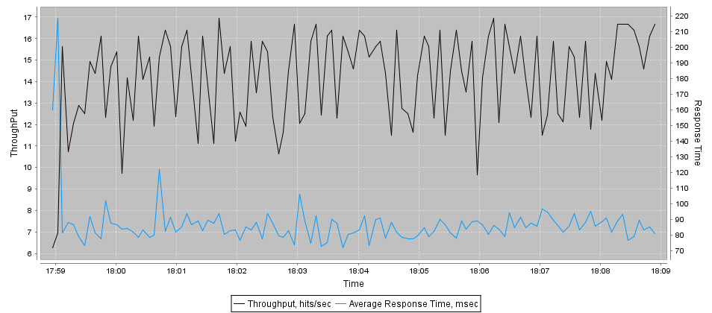
Url | Samples | Average | Desviation | Min | Max | Errors | Throughput req/sec | KB/Sec
ip-0AD076EF | 3000 | 87 | 40 | 57.0 | 1089 | 0 | 5.0/sec | 475.30

Throughtput 8
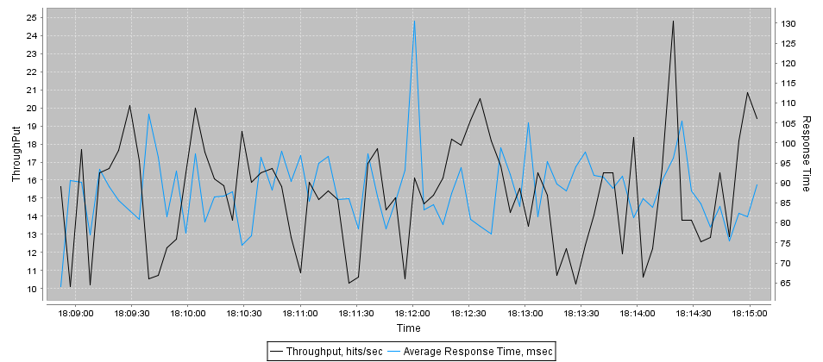
Url | Samples | Average | Desviation | Min | Max | Errors | Throughput req/sec | KB/Sec
ip-0AD076EF | 3000 | 89 | 35 | 57 | 425.0 | 0 | 8.0/sec | 757.95

Throughtput 10
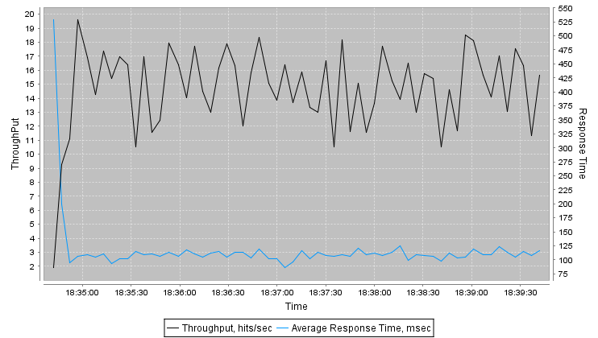
Url | Samples | Average | Desviation | Min | Max | Errors | Throughput req/sec | KB/Sec
ip-0AD076EF | 3000 | 110 | 55 | 57 | 872.0 | 0 | 10.0/sec | 948.22

Throughtput 15
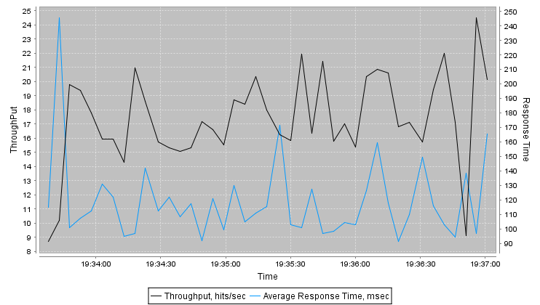
Url | Samples | Average | Desviation | Min | Max | Errors | Throughput req/sec | KB/Sec
ip-0AD076EF | 3000 | 118 | 115 | 58 | 3303.0 | 0 | 14.6/sec | 1386.93

Throughtput 20
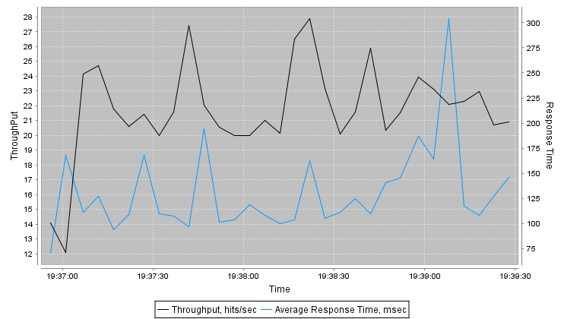
Url | Samples | Average | Desviation | Min | Max | Errors | Throughput req/sec | KB/Sec
ip-0AD076EF | 3000 | 132 | 114 | 56 | 3101 | 0 | 19.3/sec | 1827.50

Throughtput 25
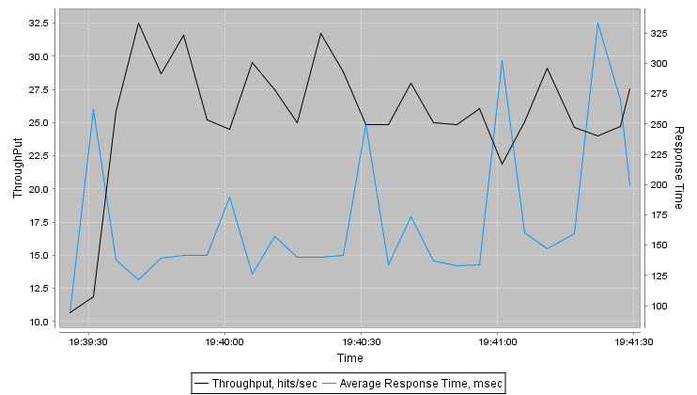
Url | Samples | Average | Desviation | Min | Max | Errors | Throughput req/sec | KB/Sec
ip-0AD076EF | 3000 | 172 | 137 | 57 | 3141 | 0 | 24.3/sec | 2306.77

Throughtput 30
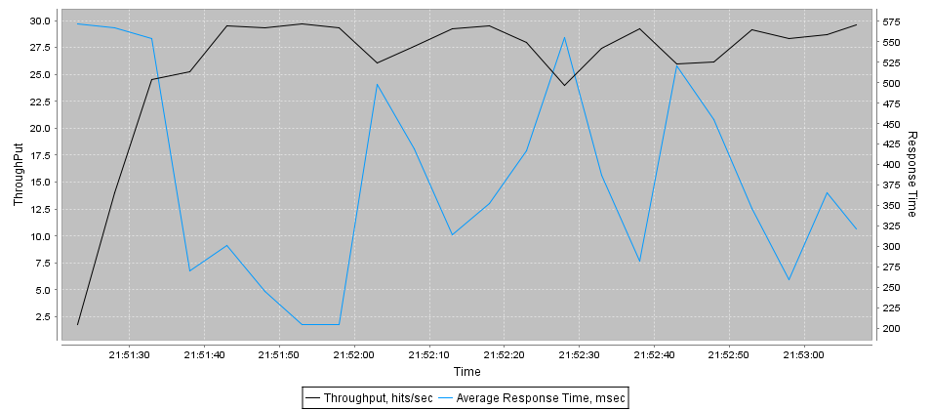
Url | Samples | Average | Desviation | Min | Max | Errors | Throughput req/sec | KB/Sec
ip-0AD076EF | 3000 | 366 | 210 | 62.0 | 3175.0 | 0 | 28.6/sec | 2680.14

Throughtput 35
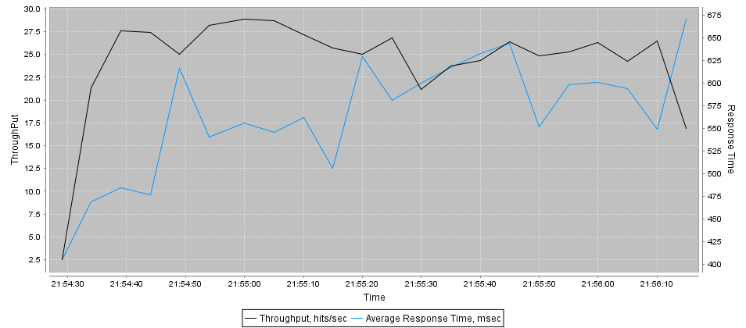
Url | Samples | Average | Desviation | Min | Max | Errors | Throughput req/sec | KB/Sec
ip-0AD076EF | 3000 | 570 | 267 | 86.0 | 4016.0 | 0 | 27.3/sec | 2535.18

Throughtput 40
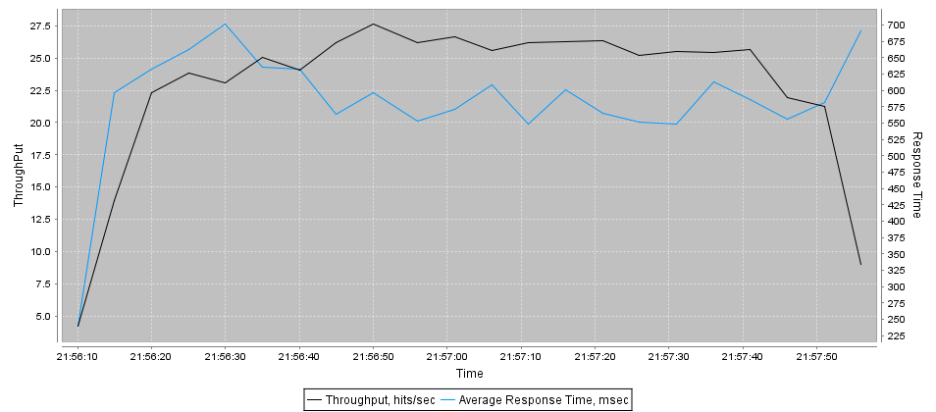
Url | Samples | Average | Desviation | Min | Max | Errors | Throughput req/sec | KB/Sec
ip-0AD076EF | 3000 | 596 | 304 | 94.0 | 2256.0 | 0 | 27.1/sec | 2511.55

